Start Here
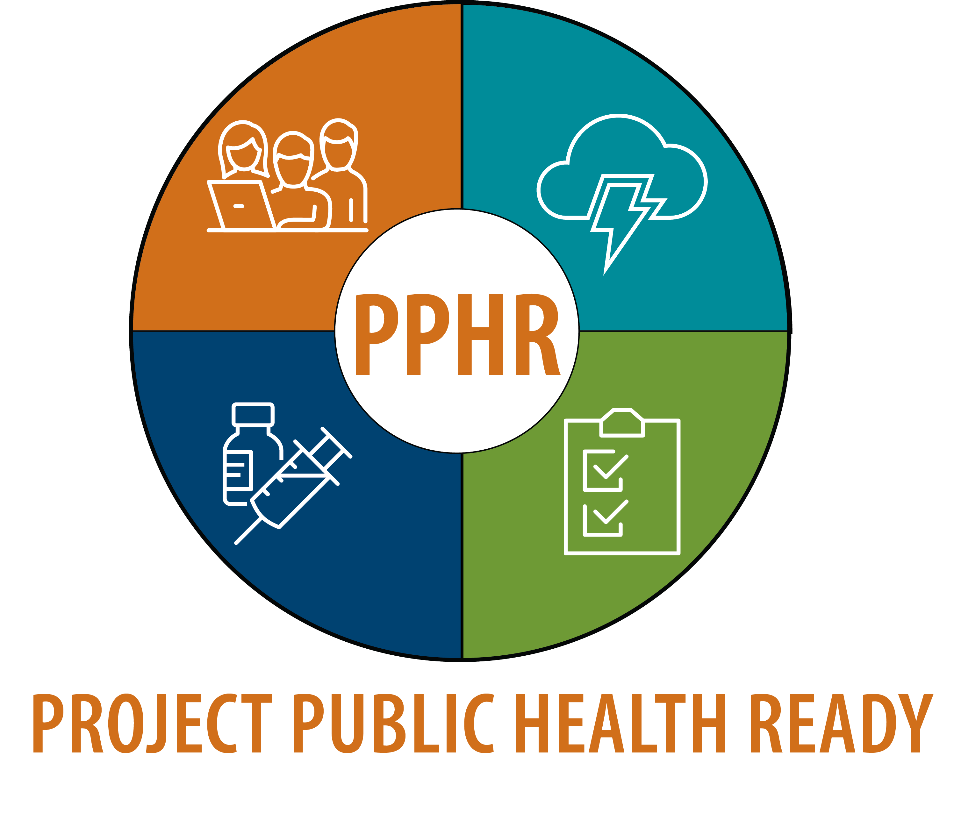
Project Public Health Ready (PPHR)
Initial Recognition – Readiness Gap Analysis Tool
Based on the Initial Recognition Goals & Measures, Version 11.0 (July 2025)

What this tool does
This workbook helps your health department judge how ready you are to complete a successful PPHR Initial Recognition application before you invest the time to assemble and submit it.
It mirrors the application itself: the 7 required documents, the Executive Summary, and a condensed version of all criteria elements across the 6 PPHR Goals and 20 measures. You self-score each item, and the Dashboard shows where you stand against the 75% / 90% recognition thresholds and exactly which gaps to close first.

How to use it (5 steps)
1. Document Checklist tab – confirm you have each of the 7 required documents and that each meets its currency requirement (e.g., risk assessment within 3 years, response plan within 1 year).
2. Executive Summary tab – check that you can address all six required sections.
3. Goal I – Goal VI tabs – for every criteria element, pick a Status from the drop-down: Not Started / Not Met / Partially Met / Met. Mark it “Met” only when every listed sub-element is fully and currently documented. Record where the evidence lives, the gap, the action to close it, an owner, and a target date.
4. Readiness Dashboard tab – review the auto-calculated readiness % for each goal. Green means you are at or above threshold; yellow/red flags goals that need work.
5. Work the gaps – sort each goal tab by Status and tackle Not Met / Partially Met / Not Started items, assigning owners and dates.

Scoring & recognition rules
NACCHO reviewers score each criteria element Met, Partially Met, or Not Met.
• Recognized with Honors – at least 90% of available points in EVERY goal.
• Recognized – at least 75% of available points in EVERY goal.
• Not Recognized – below 75% in any one of the six goals.
Because the lowest goal governs the outcome, a single weak goal can sink an otherwise strong application – the Dashboard therefore reports your minimum goal score as the overall figure.
Two guidelines can help where you are not the lead agency (Guideline #1) or documentation is unavailable/in draft (Guideline #2 – maximum score “Partially Met”). Note these in the Gap / Comments columns.

Reading the colors
Yellow input cells are for you to complete. Status cells turn green (Met), amber (Partially Met), red (Not Met), or grey (Not Started) automatically.
On the Dashboard, a goal cell is green at ≥ 75% (dark green ≥ 90%), amber from 50–75%, and red below 50%.

Important note
This is a self-assessment and planning aid produced from the published Goals & Measures – it is not the official NACCHO scoring sheet and does not guarantee an outcome. Always confirm current requirements against the Applicant Rulebook and contact pphr@naccho.org with questions.

